Sheet1
Defect Report
Project name : Luma Website.
ID | priority | Severity | Issue discription | Assigned to | Assigned to Owner | steps to reproduce | Attachment
1 | low | major | When viewing certain items, th evaluation link and icon are not displayed a expected. | dev | Zeyad | 1-open Edag. 2- open website : https://magento.softwaretestingboard.com/. 3-SingIn by this email:johnsmith@example.com and Password: Testing123!. 4- Search for the tshirt. 5- on the first page scroll down to sell the item description so you will not the the item evaluation. | 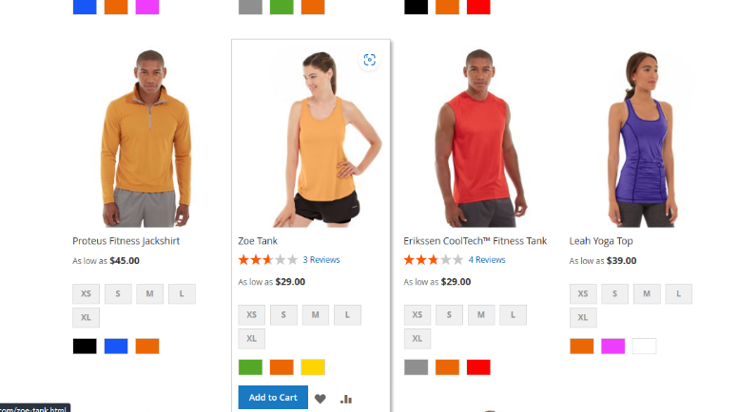
2 | low | major | When attempting to change the color of an item in the item description section, the color change does not take effect for certain items. | dev | Zeyad | 1-Open Edag. 2- open website : https://magento.softwaretestingboard.com/. 3-SingIn by this email:johnsmith@example.com and Password: Testing123!. 4- Search for the shirt. 5- on the first page scroll down to itme and change the color discriptoin but some item not responed . | 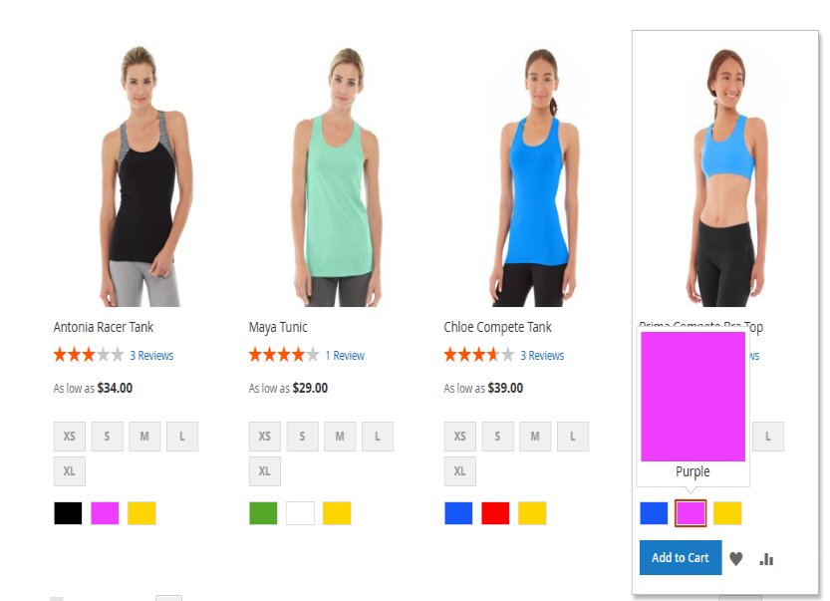
3 | low | major | The item size icon is not found when viewing the item description. | dev | Zeyad | 1-Open Edag. 2- open website : https://magento.softwaretestingboard.com/. 3-SingIn by this email:johnsmith@example.com and Password: Testing123!. 4- Search for the shirt. 5- on the first page scroll down to itme and then press to the next page to page 3 and scroll inot the item you will not see the item size icon. | 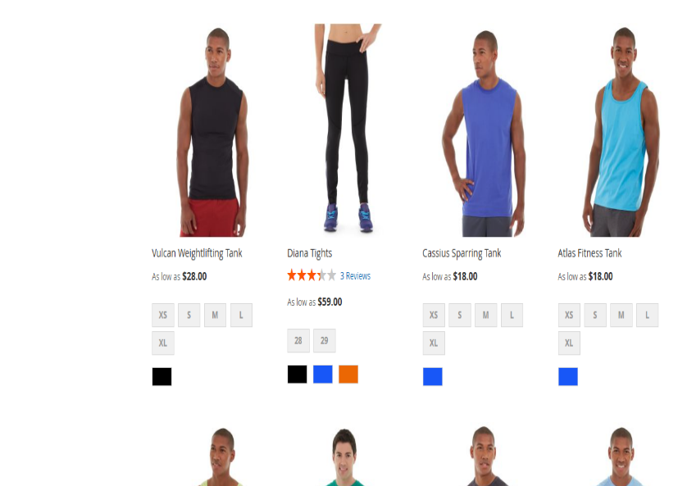
4 | Medium | minor | When searching for a clock item, the search results display a shirt item with appear of the expected clock item . | dev | Zeyad | 1-Open Edag. 2- open website : https://magento.softwaretestingboard.com/. 3-SingIn by this email:johnsmith@example.com and Password: Testing123!. 4- Search for the clock. | 